Figure2.2 WHR 2017
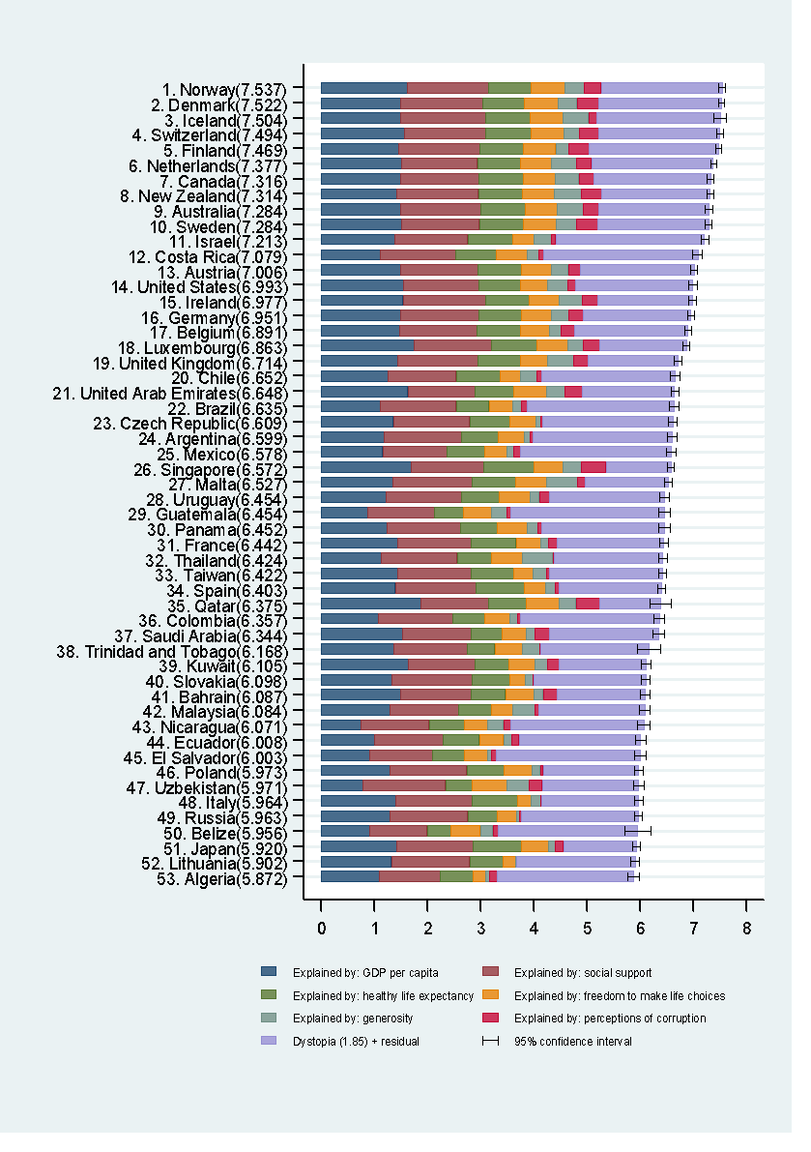
Country | Happiness score | Whisker-high | Whisker-low | Explained by: GDP per capita | Explained by: Social support | Explained by: Healthy life expectancy | Explained by: Freedom to make life choices | Explained by: Generosity | Explained by: Perceptions of corruption | Dystopia (1.85) + residual
Norway | 7.537 | 7.594 | 7.480 | 1.616 | 1.534 | 0.797 | 0.635 | 0.362 | 0.316 | 2.277
Denmark | 7.522 | 7.582 | 7.462 | 1.482 | 1.551 | 0.793 | 0.626 | 0.355 | 0.401 | 2.314
Iceland | 7.504 | 7.622 | 7.386 | 1.481 | 1.611 | 0.834 | 0.627 | 0.476 | 0.154 | 2.323
Switzerland | 7.494 | 7.562 | 7.426 | 1.565 | 1.517 | 0.858 | 0.620 | 0.291 | 0.367 | 2.277
Finland | 7.469 | 7.528 | 7.410 | 1.444 | 1.540 | 0.809 | 0.618 | 0.245 | 0.383 | 2.430
Netherlands | 7.377 | 7.427 | 7.327 | 1.504 | 1.429 | 0.811 | 0.585 | 0.470 | 0.283 | 2.295
Canada | 7.316 | 7.384 | 7.248 | 1.479 | 1.481 | 0.835 | 0.611 | 0.436 | 0.287 | 2.187
New Zealand | 7.314 | 7.380 | 7.248 | 1.406 | 1.548 | 0.817 | 0.614 | 0.500 | 0.383 | 2.046
Sweden | 7.284 | 7.344 | 7.224 | 1.494 | 1.478 | 0.831 | 0.613 | 0.385 | 0.384 | 2.098
Australia | 7.284 | 7.357 | 7.211 | 1.484 | 1.510 | 0.844 | 0.602 | 0.478 | 0.301 | 2.065
Israel | 7.213 | 7.280 | 7.146 | 1.375 | 1.376 | 0.838 | 0.406 | 0.330 | 0.085 | 2.802
Costa Rica | 7.079 | 7.168 | 6.990 | 1.110 | 1.416 | 0.760 | 0.580 | 0.215 | 0.100 | 2.899
Austria | 7.006 | 7.071 | 6.941 | 1.487 | 1.460 | 0.815 | 0.568 | 0.316 | 0.221 | 2.139
United States | 6.993 | 7.075 | 6.911 | 1.546 | 1.420 | 0.774 | 0.506 | 0.393 | 0.136 | 2.218
Ireland | 6.977 | 7.043 | 6.911 | 1.536 | 1.558 | 0.810 | 0.573 | 0.428 | 0.298 | 1.774
Germany | 6.951 | 7.005 | 6.897 | 1.488 | 1.473 | 0.799 | 0.563 | 0.336 | 0.277 | 2.016
Belgium | 6.891 | 6.956 | 6.826 | 1.464 | 1.462 | 0.818 | 0.540 | 0.232 | 0.251 | 2.124
Luxembourg | 6.863 | 6.924 | 6.802 | 1.742 | 1.458 | 0.845 | 0.597 | 0.283 | 0.319 | 1.620
United Kingdom | 6.714 | 6.784 | 6.644 | 1.442 | 1.496 | 0.805 | 0.508 | 0.493 | 0.265 | 1.704
Chile | 6.652 | 6.739 | 6.565 | 1.253 | 1.284 | 0.819 | 0.377 | 0.327 | 0.082 | 2.510
United Arab Emirates | 6.648 | 6.722 | 6.574 | 1.626 | 1.266 | 0.727 | 0.608 | 0.361 | 0.324 | 1.735
Brazil | 6.635 | 6.725 | 6.545 | 1.107 | 1.431 | 0.617 | 0.437 | 0.162 | 0.111 | 2.769
Czech Republic | 6.609 | 6.684 | 6.534 | 1.353 | 1.434 | 0.754 | 0.491 | 0.088 | 0.037 | 2.452
Argentina | 6.599 | 6.690 | 6.508 | 1.185 | 1.440 | 0.695 | 0.495 | 0.109 | 0.060 | 2.614
Mexico | 6.578 | 6.671 | 6.485 | 1.153 | 1.211 | 0.710 | 0.413 | 0.121 | 0.133 | 2.837
Singapore | 6.572 | 6.637 | 6.507 | 1.692 | 1.354 | 0.949 | 0.550 | 0.346 | 0.464 | 1.216
Malta | 6.527 | 6.598 | 6.456 | 1.343 | 1.488 | 0.822 | 0.589 | 0.575 | 0.153 | 1.557
Uruguay | 6.454 | 6.546 | 6.362 | 1.218 | 1.412 | 0.719 | 0.579 | 0.175 | 0.178 | 2.172
Guatemala | 6.454 | 6.567 | 6.341 | 0.872 | 1.256 | 0.540 | 0.531 | 0.283 | 0.077 | 2.894
Panama | 6.452 | 6.557 | 6.347 | 1.234 | 1.373 | 0.706 | 0.550 | 0.211 | 0.071 | 2.307
France | 6.442 | 6.516 | 6.368 | 1.431 | 1.388 | 0.844 | 0.470 | 0.130 | 0.173 | 2.006
Thailand | 6.424 | 6.509 | 6.339 | 1.128 | 1.426 | 0.647 | 0.580 | 0.572 | 0.032 | 2.040
Taiwan | 6.422 | 6.495 | 6.349 | 1.434 | 1.385 | 0.794 | 0.361 | 0.258 | 0.064 | 2.127
Spain | 6.403 | 6.471 | 6.335 | 1.384 | 1.532 | 0.889 | 0.409 | 0.190 | 0.071 | 1.928
Qatar | 6.375 | 6.568 | 6.182 | 1.871 | 1.274 | 0.710 | 0.604 | 0.330 | 0.439 | 1.145
Colombia | 6.357 | 6.452 | 6.262 | 1.071 | 1.402 | 0.595 | 0.477 | 0.149 | 0.047 | 2.616
Saudi Arabia | 6.344 | 6.444 | 6.244 | 1.531 | 1.287 | 0.590 | 0.450 | 0.148 | 0.273 | 2.065
Trinidad and Tobago | 6.168 | 6.382 | 5.954 | 1.361 | 1.380 | 0.520 | 0.519 | 0.325 | 0.009 | 2.053
Kuwait | 6.105 | 6.192 | 6.018 | 1.633 | 1.260 | 0.632 | 0.496 | 0.228 | 0.215 | 1.640
Slovakia | 6.098 | 6.177 | 6.019 | 1.325 | 1.505 | 0.713 | 0.296 | 0.137 | 0.024 | 2.098
Bahrain | 6.087 | 6.179 | 5.995 | 1.488 | 1.323 | 0.653 | 0.537 | 0.173 | 0.257 | 1.656
Malaysia | 6.084 | 6.180 | 5.988 | 1.291 | 1.285 | 0.619 | 0.402 | 0.417 | 0.066 | 2.004
Nicaragua | 6.071 | 6.187 | 5.955 | 0.737 | 1.287 | 0.653 | 0.448 | 0.302 | 0.131 | 2.514
Ecuador | 6.008 | 6.106 | 5.910 | 1.001 | 1.286 | 0.686 | 0.455 | 0.150 | 0.140 | 2.290
El Salvador | 6.003 | 6.109 | 5.897 | 0.910 | 1.182 | 0.596 | 0.432 | 0.078 | 0.090 | 2.715
Poland | 5.973 | 6.054 | 5.892 | 1.292 | 1.446 | 0.699 | 0.520 | 0.158 | 0.059 | 1.798
Uzbekistan | 5.971 | 6.066 | 5.876 | 0.786 | 1.549 | 0.498 | 0.658 | 0.416 | 0.247 | 1.817
Italy | 5.964 | 6.043 | 5.885 | 1.395 | 1.445 | 0.853 | 0.256 | 0.173 | 0.028 | 1.813
Russia | 5.963 | 6.030 | 5.896 | 1.282 | 1.469 | 0.547 | 0.374 | 0.052 | 0.033 | 2.206
Belize | 5.956 | 6.197 | 5.715 | 0.908 | 1.081 | 0.450 | 0.548 | 0.240 | 0.097 | 2.632
Japan | 5.920 | 5.991 | 5.849 | 1.417 | 1.436 | 0.913 | 0.506 | 0.121 | 0.164 | 1.363
Lithuania | 5.902 | 5.983 | 5.821 | 1.315 | 1.474 | 0.629 | 0.234 | 0.010 | 0.012 | 2.228
Algeria | 5.872 | 5.978 | 5.766 | 1.092 | 1.146 | 0.618 | 0.233 | 0.069 | 0.146 | 2.568
Latvia | 5.850 | 5.920 | 5.780 | 1.261 | 1.405 | 0.639 | 0.326 | 0.153 | 0.074 | 1.994
Moldova | 5.838 | 5.908 | 5.768 | 0.729 | 1.252 | 0.589 | 0.241 | 0.209 | 0.010 | 2.808
South Korea | 5.838 | 5.923 | 5.753 | 1.402 | 1.128 | 0.900 | 0.258 | 0.207 | 0.063 | 1.880
Romania | 5.825 | 5.920 | 5.730 | 1.218 | 1.150 | 0.685 | 0.457 | 0.134 | 0.004 | 2.177
Bolivia | 5.823 | 5.904 | 5.742 | 0.834 | 1.228 | 0.474 | 0.559 | 0.226 | 0.060 | 2.443
Turkmenistan | 5.822 | 5.885 | 5.759 | 1.131 | 1.493 | 0.438 | 0.418 | 0.250 | 0.259 | 1.833
Kazakhstan | 5.819 | 5.904 | 5.734 | 1.285 | 1.384 | 0.606 | 0.437 | 0.202 | 0.119 | 1.785
North Cyprus | 5.810 | 5.897 | 5.723 | 1.347 | 1.186 | 0.835 | 0.471 | 0.267 | 0.155 | 1.549
Slovenia | 5.758 | 5.842 | 5.674 | 1.341 | 1.453 | 0.791 | 0.573 | 0.243 | 0.045 | 1.313
Peru | 5.715 | 5.812 | 5.618 | 1.035 | 1.219 | 0.630 | 0.450 | 0.127 | 0.047 | 2.207
Mauritius | 5.629 | 5.730 | 5.528 | 1.189 | 1.210 | 0.638 | 0.491 | 0.361 | 0.042 | 1.698
Cyprus | 5.621 | 5.715 | 5.527 | 1.356 | 1.131 | 0.845 | 0.355 | 0.271 | 0.041 | 1.621
Estonia | 5.611 | 5.688 | 5.534 | 1.321 | 1.477 | 0.695 | 0.479 | 0.099 | 0.183 | 1.358
Belarus | 5.569 | 5.646 | 5.492 | 1.157 | 1.445 | 0.638 | 0.295 | 0.155 | 0.156 | 1.723
Libya | 5.525 | 5.677 | 5.373 | 1.102 | 1.358 | 0.520 | 0.466 | 0.152 | 0.093 | 1.835
Turkey | 5.500 | 5.595 | 5.405 | 1.198 | 1.338 | 0.638 | 0.301 | 0.047 | 0.100 | 1.879
Paraguay | 5.493 | 5.577 | 5.409 | 0.933 | 1.507 | 0.579 | 0.474 | 0.224 | 0.091 | 1.685
Hong Kong | 5.472 | 5.550 | 5.394 | 1.552 | 1.263 | 0.943 | 0.491 | 0.374 | 0.294 | 0.555
Philippines | 5.430 | 5.545 | 5.315 | 0.858 | 1.254 | 0.468 | 0.585 | 0.194 | 0.099 | 1.973
Serbia | 5.395 | 5.492 | 5.298 | 1.069 | 1.258 | 0.651 | 0.209 | 0.220 | 0.041 | 1.947
Jordan | 5.336 | 5.448 | 5.224 | 0.991 | 1.239 | 0.605 | 0.418 | 0.172 | 0.120 | 1.791
Hungary | 5.324 | 5.403 | 5.245 | 1.286 | 1.343 | 0.688 | 0.176 | 0.078 | 0.037 | 1.716
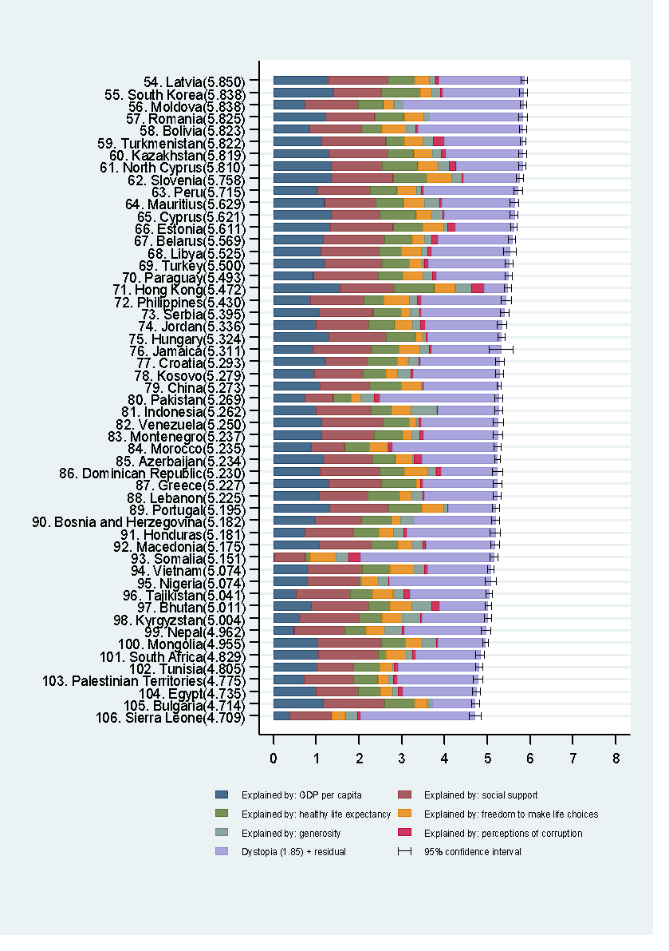
Jamaica | 5.311 | 5.581 | 5.041 | 0.926 | 1.368 | 0.641 | 0.474 | 0.234 | 0.055 | 1.612
Croatia | 5.293 | 5.392 | 5.194 | 1.223 | 0.968 | 0.701 | 0.256 | 0.248 | 0.043 | 1.854
Kosovo | 5.279 | 5.365 | 5.193 | 0.951 | 1.138 | 0.541 | 0.260 | 0.320 | 0.057 | 2.011
China | 5.273 | 5.319 | 5.227 | 1.081 | 1.161 | 0.741 | 0.473 | 0.029 | 0.023 | 1.765
Pakistan | 5.269 | 5.360 | 5.178 | 0.727 | 0.673 | 0.402 | 0.235 | 0.315 | 0.124 | 2.792
Indonesia | 5.262 | 5.353 | 5.171 | 0.996 | 1.274 | 0.492 | 0.443 | 0.612 | 0.015 | 1.429
Venezuela | 5.250 | 5.370 | 5.130 | 1.128 | 1.431 | 0.617 | 0.154 | 0.065 | 0.064 | 1.789
Montenegro | 5.237 | 5.341 | 5.133 | 1.121 | 1.238 | 0.667 | 0.195 | 0.198 | 0.088 | 1.729
Morocco | 5.235 | 5.318 | 5.152 | 0.878 | 0.775 | 0.598 | 0.408 | 0.032 | 0.088 | 2.456
Azerbaijan | 5.234 | 5.299 | 5.169 | 1.154 | 1.152 | 0.541 | 0.398 | 0.045 | 0.181 | 1.762
Dominican Republic | 5.230 | 5.349 | 5.111 | 1.079 | 1.402 | 0.575 | 0.553 | 0.187 | 0.114 | 1.319
Greece | 5.227 | 5.325 | 5.129 | 1.289 | 1.239 | 0.810 | 0.096 | 0.000 | 0.043 | 1.749
Lebanon | 5.225 | 5.319 | 5.131 | 1.075 | 1.130 | 0.735 | 0.289 | 0.264 | 0.038 | 1.695
Portugal | 5.195 | 5.285 | 5.105 | 1.315 | 1.367 | 0.796 | 0.498 | 0.095 | 0.016 | 1.108
Bosnia and Herzegovina | 5.182 | 5.276 | 5.088 | 0.982 | 1.069 | 0.705 | 0.204 | 0.329 | 0.000 | 1.892
Honduras | 5.181 | 5.302 | 5.060 | 0.731 | 1.144 | 0.583 | 0.348 | 0.236 | 0.073 | 2.066
Macedonia | 5.175 | 5.272 | 5.078 | 1.065 | 1.208 | 0.645 | 0.326 | 0.254 | 0.060 | 1.617
Somalia | 5.151 | 5.242 | 5.060 | 0.023 | 0.721 | 0.114 | 0.602 | 0.292 | 0.282 | 3.117
Vietnam | 5.074 | 5.147 | 5.001 | 0.789 | 1.277 | 0.652 | 0.571 | 0.235 | 0.088 | 1.462
Nigeria | 5.074 | 5.210 | 4.938 | 0.784 | 1.216 | 0.057 | 0.395 | 0.231 | 0.026 | 2.365
Tajikistan | 5.041 | 5.111 | 4.971 | 0.525 | 1.271 | 0.529 | 0.472 | 0.249 | 0.146 | 1.849
Bhutan | 5.011 | 5.079 | 4.943 | 0.885 | 1.340 | 0.496 | 0.502 | 0.474 | 0.173 | 1.140
Kyrgyzstan | 5.004 | 5.090 | 4.918 | 0.596 | 1.394 | 0.553 | 0.455 | 0.429 | 0.039 | 1.537
Nepal | 4.962 | 5.067 | 4.857 | 0.480 | 1.179 | 0.504 | 0.440 | 0.394 | 0.073 | 1.891
Mongolia | 4.955 | 5.022 | 4.888 | 1.027 | 1.493 | 0.558 | 0.394 | 0.338 | 0.033 | 1.111
South Africa | 4.829 | 4.929 | 4.729 | 1.055 | 1.385 | 0.187 | 0.479 | 0.139 | 0.073 | 1.511
Tunisia | 4.805 | 4.884 | 4.726 | 1.007 | 0.868 | 0.613 | 0.290 | 0.050 | 0.087 | 1.890
Palestinian Territories | 4.775 | 4.882 | 4.668 | 0.716 | 1.156 | 0.566 | 0.255 | 0.114 | 0.089 | 1.879
Egypt | 4.735 | 4.825 | 4.645 | 0.990 | 0.997 | 0.520 | 0.282 | 0.129 | 0.114 | 1.702
Bulgaria | 4.714 | 4.804 | 4.624 | 1.161 | 1.434 | 0.708 | 0.289 | 0.113 | 0.011 | 0.996
Sierra Leone | 4.709 | 4.851 | 4.567 | 0.368 | 0.984 | 0.006 | 0.319 | 0.293 | 0.071 | 2.668
Cameroon | 4.695 | 4.797 | 4.593 | 0.564 | 0.946 | 0.133 | 0.430 | 0.236 | 0.051 | 2.334
Iran | 4.692 | 4.798 | 4.586 | 1.157 | 0.712 | 0.639 | 0.249 | 0.387 | 0.049 | 1.499
Albania | 4.644 | 4.752 | 4.536 | 0.996 | 0.804 | 0.731 | 0.381 | 0.201 | 0.040 | 1.490
Bangladesh | 4.608 | 4.690 | 4.526 | 0.587 | 0.735 | 0.533 | 0.478 | 0.172 | 0.124 | 1.979
Namibia | 4.574 | 4.770 | 4.378 | 0.964 | 1.098 | 0.339 | 0.520 | 0.077 | 0.093 | 1.482
Kenya | 4.553 | 4.656 | 4.450 | 0.560 | 1.068 | 0.310 | 0.453 | 0.445 | 0.065 | 1.652
Mozambique | 4.550 | 4.774 | 4.326 | 0.234 | 0.871 | 0.107 | 0.481 | 0.322 | 0.179 | 2.356
Myanmar | 4.545 | 4.615 | 4.475 | 0.367 | 1.123 | 0.398 | 0.514 | 0.838 | 0.189 | 1.115
Senegal | 4.535 | 4.602 | 4.468 | 0.479 | 1.180 | 0.409 | 0.378 | 0.183 | 0.115 | 1.790
Zambia | 4.514 | 4.644 | 4.384 | 0.636 | 1.003 | 0.258 | 0.462 | 0.250 | 0.078 | 1.827
Iraq | 4.497 | 4.623 | 4.371 | 1.103 | 0.979 | 0.501 | 0.289 | 0.200 | 0.107 | 1.319
Gabon | 4.465 | 4.557 | 4.373 | 1.198 | 1.156 | 0.357 | 0.312 | 0.044 | 0.076 | 1.323
Ethiopia | 4.460 | 4.543 | 4.377 | 0.339 | 0.865 | 0.353 | 0.409 | 0.313 | 0.165 | 2.016
Sri Lanka | 4.440 | 4.553 | 4.327 | 1.010 | 1.260 | 0.625 | 0.561 | 0.491 | 0.074 | 0.419
Armenia | 4.376 | 4.467 | 4.285 | 0.901 | 1.007 | 0.638 | 0.198 | 0.083 | 0.027 | 1.521
India | 4.315 | 4.372 | 4.258 | 0.792 | 0.754 | 0.455 | 0.470 | 0.232 | 0.092 | 1.519
Mauritania | 4.292 | 4.377 | 4.207 | 0.648 | 1.272 | 0.285 | 0.096 | 0.202 | 0.137 | 1.652
Congo (Brazzaville) | 4.291 | 4.410 | 4.172 | 0.809 | 0.832 | 0.290 | 0.435 | 0.121 | 0.080 | 1.724
Georgia | 4.286 | 4.375 | 4.197 | 0.951 | 0.571 | 0.650 | 0.309 | 0.054 | 0.252 | 1.500
Congo (Kinshasa) | 4.280 | 4.358 | 4.202 | 0.092 | 1.229 | 0.191 | 0.236 | 0.246 | 0.060 | 2.225
Mali | 4.190 | 4.270 | 4.110 | 0.476 | 1.281 | 0.169 | 0.307 | 0.183 | 0.105 | 1.668
Ivory Coast | 4.180 | 4.275 | 4.085 | 0.603 | 0.905 | 0.049 | 0.448 | 0.201 | 0.130 | 1.845
Cambodia | 4.168 | 4.279 | 4.057 | 0.602 | 1.006 | 0.430 | 0.633 | 0.386 | 0.068 | 1.043
Sudan | 4.139 | 4.346 | 3.932 | 0.660 | 1.214 | 0.291 | 0.015 | 0.182 | 0.090 | 1.687
Ghana | 4.120 | 4.223 | 4.017 | 0.667 | 0.874 | 0.296 | 0.423 | 0.257 | 0.025 | 1.578
Ukraine | 4.096 | 4.185 | 4.007 | 0.895 | 1.395 | 0.576 | 0.123 | 0.270 | 0.023 | 0.814
Uganda | 4.081 | 4.196 | 3.966 | 0.381 | 1.130 | 0.218 | 0.443 | 0.326 | 0.057 | 1.526
Burkina Faso | 4.032 | 4.124 | 3.940 | 0.350 | 1.043 | 0.216 | 0.324 | 0.251 | 0.120 | 1.727
Niger | 4.028 | 4.112 | 3.944 | 0.162 | 0.993 | 0.269 | 0.364 | 0.229 | 0.139 | 1.874
Malawi | 3.970 | 4.077 | 3.863 | 0.233 | 0.513 | 0.315 | 0.467 | 0.287 | 0.073 | 2.082
Chad | 3.936 | 4.035 | 3.837 | 0.438 | 0.954 | 0.041 | 0.162 | 0.216 | 0.054 | 2.071
Zimbabwe | 3.875 | 3.979 | 3.771 | 0.376 | 1.083 | 0.197 | 0.336 | 0.189 | 0.095 | 1.598
Lesotho | 3.808 | 4.044 | 3.572 | 0.521 | 1.190 | 0.000 | 0.391 | 0.157 | 0.119 | 1.430
Angola | 3.795 | 3.952 | 3.638 | 0.858 | 1.104 | 0.050 | 0.000 | 0.098 | 0.070 | 1.614
Afghanistan | 3.794 | 3.874 | 3.714 | 0.401 | 0.582 | 0.181 | 0.106 | 0.312 | 0.061 | 2.151
Botswana | 3.766 | 3.874 | 3.658 | 1.122 | 1.222 | 0.342 | 0.505 | 0.099 | 0.099 | 0.378
Benin | 3.657 | 3.746 | 3.568 | 0.431 | 0.435 | 0.210 | 0.426 | 0.208 | 0.061 | 1.886
Madagascar | 3.644 | 3.714 | 3.574 | 0.306 | 0.913 | 0.375 | 0.189 | 0.209 | 0.067 | 1.585
Haiti | 3.603 | 3.735 | 3.471 | 0.369 | 0.640 | 0.277 | 0.030 | 0.489 | 0.100 | 1.697
Yemen | 3.593 | 3.693 | 3.493 | 0.592 | 0.935 | 0.310 | 0.249 | 0.104 | 0.057 | 1.346
South Sudan | 3.591 | 3.726 | 3.456 | 0.397 | 0.601 | 0.163 | 0.147 | 0.286 | 0.117 | 1.880
Liberia | 3.533 | 3.654 | 3.412 | 0.119 | 0.872 | 0.230 | 0.333 | 0.267 | 0.039 | 1.673
Guinea | 3.507 | 3.584 | 3.430 | 0.245 | 0.791 | 0.194 | 0.349 | 0.265 | 0.111 | 1.552
Togo | 3.495 | 3.594 | 3.396 | 0.305 | 0.432 | 0.247 | 0.380 | 0.197 | 0.096 | 1.837
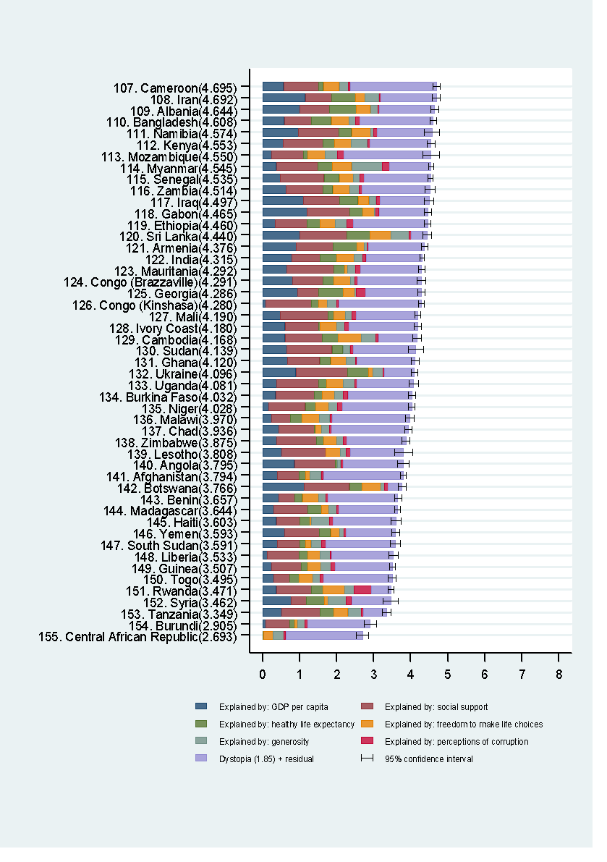
Rwanda | 3.471 | 3.543 | 3.399 | 0.369 | 0.946 | 0.326 | 0.582 | 0.253 | 0.455 | 0.540
Syria | 3.462 | 3.664 | 3.260 | 0.777 | 0.396 | 0.501 | 0.082 | 0.494 | 0.151 | 1.062
Tanzania | 3.349 | 3.461 | 3.237 | 0.511 | 1.042 | 0.365 | 0.390 | 0.354 | 0.066 | 0.621
Burundi | 2.905 | 3.075 | 2.735 | 0.092 | 0.630 | 0.152 | 0.060 | 0.204 | 0.084 | 1.683
Central African Republic | 2.693 | 2.865 | 2.521 | 0.000 | 0.000 | 0.019 | 0.271 | 0.281 | 0.057 | 2.066

